Sheet 1
Item # | Description | Picture | Case Pack | Quantity | Cost

EVL2808 | Everlast 2pk Ladies Lounge Soft Shorts, Assorted Sizes and Colors | 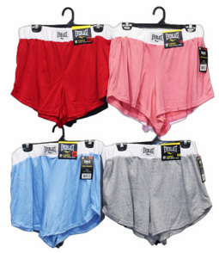 | 24 | 9048 | $5.55
EVM3537 | Eeverlast Mens Lounge Soft T-shirts, Assorted Sizes and Colors | 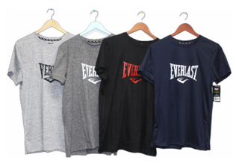 | 30 | 2880 | $3.25
EVM4578 | Eeverlast Mens Lounge Soft Short Sets, Assorted Sizes and Colors | 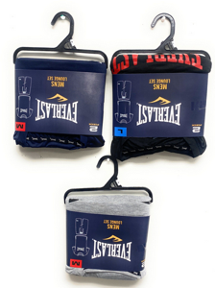 | 30 | 630 | $5.75
PM4330 | Penn Mens Lounge Soft Shirt and Pant Sets, Assorted Sizes and Colors | 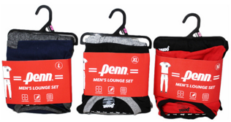 | 24 | 5976 | $5.75

